Sheet2
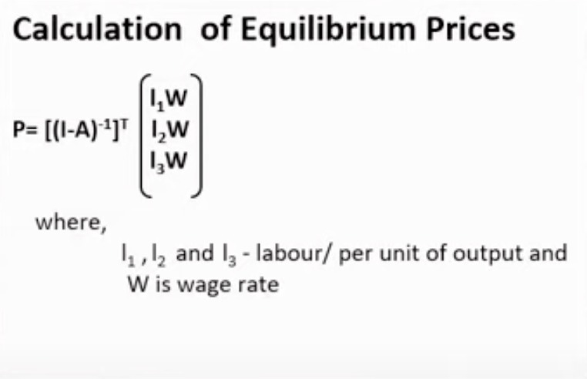
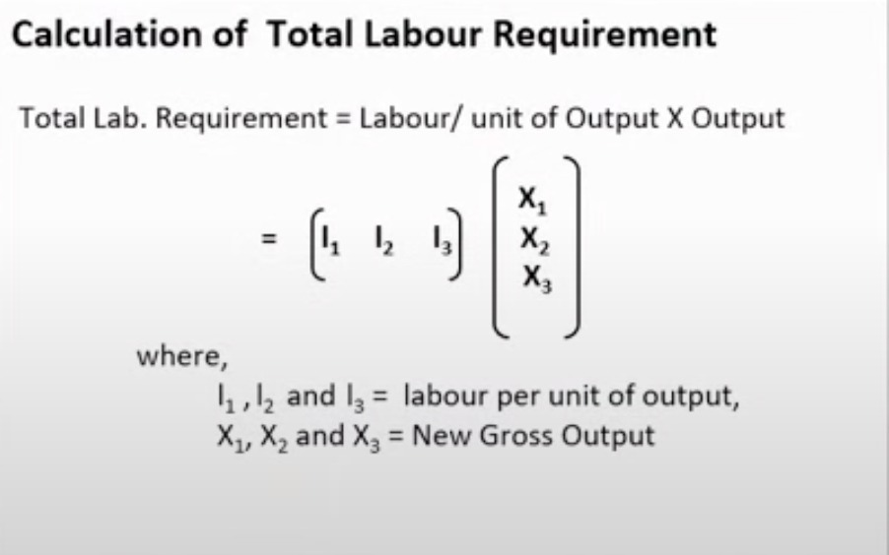

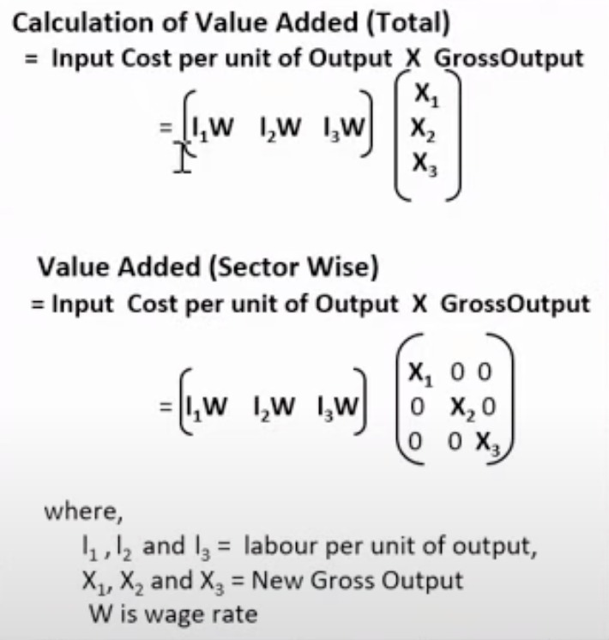
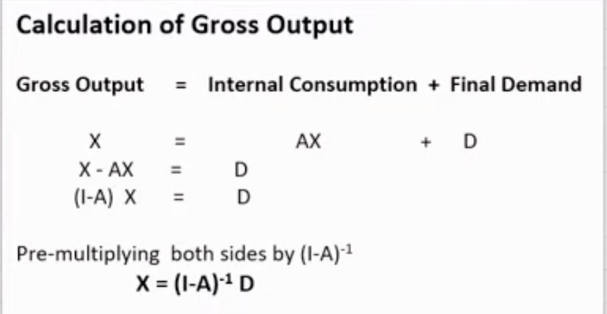

 | Loan Calculator

 | Amount |  | 5000000
 | Interest |  | 12%
 | Time |  | 30
 | Months |  | 360

 | EMI |  | £51,430.63

Sl no | Principal | Interest | emi | Balance
1 | 5000000 | 50000 | £51,430.63 | £4,998,569.37
2 | £4,998,569.37 | 49985.693702 | £51,430.63 | £4,997,124.43
3 | £4,997,124.43 | 49971.24434 | £51,430.63 | £4,995,665.05
4 | £4,995,665.05 | 49956.650485 | £51,430.63 | £4,994,191.07
5 | £4,994,191.07 | 49941.910691 | £51,430.63 | £4,992,702.35
6 | £4,992,702.35 | 49927.0235 | £51,430.63 | £4,991,198.74
7 | £4,991,198.74 | 49911.987436 | £51,430.63 | £4,989,680.10
8 | £4,989,680.10 | 49896.801012 | £51,430.63 | £4,988,146.27
9 | £4,988,146.27 | 49881.462724 | £51,430.63 | £4,986,597.11
10 | £4,986,597.11 | 49865.971053 | £51,430.63 | £4,985,032.45
11 | £4,985,032.45 | 49850.324465 | £51,430.63 | £4,983,452.14
12 | £4,983,452.14 | 49834.521411 | £51,430.63 | £4,981,856.03
13 | £4,981,856.03 | 49818.560327 | £51,430.63 | £4,980,243.96
14 | £4,980,243.96 | 49802.439631 | £51,430.63 | £4,978,615.77
15 | £4,978,615.77 | 49786.157729 | £51,430.63 | £4,976,971.30
16 | £4,976,971.30 | 49769.713008 | £51,430.63 | £4,975,310.38
17 | £4,975,310.38 | 49753.10384 | £51,430.63 | £4,973,632.86
18 | £4,973,632.86 | 49736.32858 | £51,430.63 | £4,971,938.56
19 | £4,971,938.56 | 49719.385567 | £51,430.63 | £4,970,227.31
20 | £4,970,227.31 | 49702.273124 | £51,430.63 | £4,968,498.96
21 | £4,968,498.96 | 49684.989557 | £51,430.63 | £4,966,753.32
22 | £4,966,753.32 | 49667.533154 | £51,430.63 | £4,964,990.22
23 | £4,964,990.22 | 49649.902187 | £51,430.63 | £4,963,209.49
24 | £4,963,209.49 | 49632.094911 | £51,430.63 | £4,961,410.96
25 | £4,961,410.96 | 49614.109561 | £51,430.63 | £4,959,594.44
26 | £4,959,594.44 | 49595.944358 | £51,430.63 | £4,957,759.75
27 | £4,957,759.75 | 49577.597504 | £51,430.63 | £4,955,906.72
28 | £4,955,906.72 | 49559.06718 | £51,430.63 | £4,954,035.16
29 | £4,954,035.16 | 49540.351553 | £51,430.63 | £4,952,144.88
30 | £4,952,144.88 | 49521.44877 | £51,430.63 | £4,950,235.70
31 | £4,950,235.70 | 49502.35696 | £51,430.63 | £4,948,307.42
32 | £4,948,307.42 | 49483.074231 | £51,430.63 | £4,946,359.87
33 | £4,946,359.87 | 49463.598675 | £51,430.63 | £4,944,392.84
34 | £4,944,392.84 | 49443.928363 | £51,430.63 | £4,942,406.13
35 | £4,942,406.13 | 49424.061348 | £51,430.63 | £4,940,399.57
36 | £4,940,399.57 | 49403.995663 | £51,430.63 | £4,938,372.93
37 | £4,938,372.93 | 49383.729321 | £51,430.63 | £4,936,326.03
38 | £4,936,326.03 | 49363.260316 | £51,430.63 | £4,934,258.66
39 | £4,934,258.66 | 49342.586621 | £51,430.63 | £4,932,170.62
40 | £4,932,170.62 | 49321.706189 | £51,430.63 | £4,930,061.70
41 | £4,930,061.70 | 49300.616952 | £51,430.63 | £4,927,931.68
42 | £4,927,931.68 | 49279.316823 | £51,430.63 | £4,925,780.37
43 | £4,925,780.37 | 49257.803693 | £51,430.63 | £4,923,607.54
44 | £4,923,607.54 | 49236.075431 | £51,430.63 | £4,921,412.99
45 | £4,921,412.99 | 49214.129887 | £51,430.63 | £4,919,196.49
46 | £4,919,196.49 | 49191.964888 | £51,430.63 | £4,916,957.82
47 | £4,916,957.82 | 49169.578238 | £51,430.63 | £4,914,696.77
48 | £4,914,696.77 | 49146.967722 | £51,430.63 | £4,912,413.11
49 | £4,912,413.11 | 49124.131101 | £51,430.63 | £4,910,106.61
50 | £4,910,106.61 | 49101.066113 | £51,430.63 | £4,907,777.05
51 | £4,907,777.05 | 49077.770476 | £51,430.63 | £4,905,424.19
52 | £4,905,424.19 | 49054.241882 | £51,430.63 | £4,903,047.80
53 | £4,903,047.80 | 49030.478002 | £51,430.63 | £4,900,647.65
54 | £4,900,647.65 | 49006.476484 | £51,430.63 | £4,898,223.50
55 | £4,898,223.50 | 48982.23495 | £51,430.63 | £4,895,775.10
56 | £4,895,775.10 | 48957.751001 | £51,430.63 | £4,893,302.22
57 | £4,893,302.22 | 48933.022213 | £51,430.63 | £4,890,804.61
58 | £4,890,804.61 | 48908.046137 | £51,430.63 | £4,888,282.03
59 | £4,888,282.03 | 48882.8203 | £51,430.63 | £4,885,734.22
60 | £4,885,734.22 | 48857.342204 | £51,430.63 | £4,883,160.93
61 | £4,883,160.93 | 48831.609328 | £51,430.63 | £4,880,561.91
62 | £4,880,561.91 | 48805.619122 | £51,430.63 | £4,877,936.90
63 | £4,877,936.90 | 48779.369015 | £51,430.63 | £4,875,285.64
64 | £4,875,285.64 | 48752.856407 | £51,430.63 | £4,872,607.87
65 | £4,872,607.87 | 48726.078673 | £51,430.63 | £4,869,903.32
66 | £4,869,903.32 | 48699.033161 | £51,430.63 | £4,867,171.72
67 | £4,867,171.72 | 48671.717194 | £51,430.63 | £4,864,412.81
68 | £4,864,412.81 | 48644.128067 | £51,430.63 | £4,861,626.30
69 | £4,861,626.30 | 48616.26305 | £51,430.63 | £4,858,811.94
70 | £4,858,811.94 | 48588.119382 | £51,430.63 | £4,855,969.43
71 | £4,855,969.43 | 48559.694277 | £51,430.63 | £4,853,098.49
72 | £4,853,098.49 | 48530.984921 | £51,430.63 | £4,850,198.85
73 | £4,850,198.85 | 48501.988472 | £51,430.63 | £4,847,270.21
74 | £4,847,270.21 | 48472.702058 | £51,430.63 | £4,844,312.28
75 | £4,844,312.28 | 48443.12278 | £51,430.63 | £4,841,324.77
76 | £4,841,324.77 | 48413.24771 | £51,430.63 | £4,838,307.39
77 | £4,838,307.39 | 48383.073888 | £51,430.63 | £4,835,259.83
78 | £4,835,259.83 | 48352.598329 | £51,430.63 | £4,832,181.80
79 | £4,832,181.80 | 48321.818014 | £51,430.63 | £4,829,072.99
80 | £4,829,072.99 | 48290.729895 | £51,430.63 | £4,825,933.09
81 | £4,825,933.09 | 48259.330896 | £51,430.63 | £4,822,761.79
82 | £4,822,761.79 | 48227.617906 | £51,430.63 | £4,819,558.78
83 | £4,819,558.78 | 48195.587787 | £51,430.63 | £4,816,323.74
84 | £4,816,323.74 | 48163.237366 | £51,430.63 | £4,813,056.34
85 | £4,813,056.34 | 48130.563442 | £51,430.63 | £4,809,756.28
86 | £4,809,756.28 | 48097.562778 | £51,430.63 | £4,806,423.21
87 | £4,806,423.21 | 48064.232107 | £51,430.63 | £4,803,056.81
88 | £4,803,056.81 | 48030.568129 | £51,430.63 | £4,799,656.75
89 | £4,799,656.75 | 47996.567512 | £51,430.63 | £4,796,222.69
90 | £4,796,222.69 | 47962.226889 | £51,430.63 | £4,792,754.29
91 | £4,792,754.29 | 47927.542859 | £51,430.63 | £4,789,251.20
92 | £4,789,251.20 | 47892.511989 | £51,430.63 | £4,785,713.08
93 | £4,785,713.08 | 47857.130811 | £51,430.63 | £4,782,139.58
94 | £4,782,139.58 | 47821.395821 | £51,430.63 | £4,778,530.35
95 | £4,778,530.35 | 47785.30348 | £51,430.63 | £4,774,885.02
96 | £4,774,885.02 | 47748.850217 | £51,430.63 | £4,771,203.24
97 | £4,771,203.24 | 47712.03242 | £51,430.63 | £4,767,484.64
98 | £4,767,484.64 | 47674.846446 | £51,430.63 | £4,763,728.86
99 | £4,763,728.86 | 47637.288612 | £51,430.63 | £4,759,935.52
100 | £4,759,935.52 | 47599.3552 | £51,430.63 | £4,756,104.25
101 | £4,756,104.25 | 47561.042453 | £51,430.63 | £4,752,234.66
102 | £4,752,234.66 | 47522.346579 | £51,430.63 | £4,748,326.37
103 | £4,748,326.37 | 47483.263747 | £51,430.63 | £4,744,379.01
104 | £4,744,379.01 | 47443.790086 | £51,430.63 | £4,740,392.17
105 | £4,740,392.17 | 47403.921688 | £51,430.63 | £4,736,365.46
106 | £4,736,365.46 | 47363.654607 | £51,430.63 | £4,732,298.49
107 | £4,732,298.49 | 47322.984854 | £51,430.63 | £4,728,190.84
108 | £4,728,190.84 | 47281.908404 | £51,430.63 | £4,724,042.12
109 | £4,724,042.12 | 47240.42119 | £51,430.63 | £4,719,851.91
110 | £4,719,851.91 | 47198.519103 | £51,430.63 | £4,715,619.80
111 | £4,715,619.80 | 47156.197996 | £51,430.63 | £4,711,345.37
112 | £4,711,345.37 | 47113.453677 | £51,430.63 | £4,707,028.19
113 | £4,707,028.19 | 47070.281916 | £51,430.63 | £4,702,667.84
114 | £4,702,667.84 | 47026.678436 | £51,430.63 | £4,698,263.89
115 | £4,698,263.89 | 46982.638922 | £51,430.63 | £4,693,815.90
116 | £4,693,815.90 | 46938.159013 | £51,430.63 | £4,689,323.43
117 | £4,689,323.43 | 46893.234305 | £51,430.63 | £4,684,786.03
118 | £4,684,786.03 | 46847.860349 | £51,430.63 | £4,680,203.27
119 | £4,680,203.27 | 46802.032654 | £51,430.63 | £4,675,574.67
120 | £4,675,574.67 | 46755.746682 | £51,430.63 | £4,670,899.79
121 | £4,670,899.79 | 46708.997851 | £51,430.63 | £4,666,178.15
122 | £4,666,178.15 | 46661.781531 | £51,430.63 | £4,661,409.30
123 | £4,661,409.30 | 46614.093048 | £51,430.63 | £4,656,592.77
124 | £4,656,592.77 | 46565.92768 | £51,430.63 | £4,651,728.07
125 | £4,651,728.07 | 46517.280658 | £51,430.63 | £4,646,814.72
126 | £4,646,814.72 | 46468.147166 | £51,430.63 | £4,641,852.23
127 | £4,641,852.23 | 46418.522339 | £51,430.63 | £4,636,840.13
128 | £4,636,840.13 | 46368.401264 | £51,430.63 | £4,631,777.90
129 | £4,631,777.90 | 46317.778978 | £51,430.63 | £4,626,665.05
130 | £4,626,665.05 | 46266.65047 | £51,430.63 | £4,621,501.07
131 | £4,621,501.07 | 46215.010676 | £51,430.63 | £4,616,285.45
132 | £4,616,285.45 | 46162.854484 | £51,430.63 | £4,611,017.67
133 | £4,611,017.67 | 46110.176731 | £51,430.63 | £4,605,697.22
134 | £4,605,697.22 | 46056.972199 | £51,430.63 | £4,600,323.56
135 | £4,600,323.56 | 46003.235623 | £51,430.63 | £4,594,896.17
136 | £4,594,896.17 | 45948.961681 | £51,430.63 | £4,589,414.50
137 | £4,589,414.50 | 45894.144999 | £51,430.63 | £4,583,878.02
138 | £4,583,878.02 | 45838.780151 | £51,430.63 | £4,578,286.17
139 | £4,578,286.17 | 45782.861654 | £51,430.63 | £4,572,638.40
140 | £4,572,638.40 | 45726.383972 | £51,430.63 | £4,566,934.15
141 | £4,566,934.15 | 45669.341513 | £51,430.63 | £4,561,172.86
142 | £4,561,172.86 | 45611.72863 | £51,430.63 | £4,555,353.96
143 | £4,555,353.96 | 45553.539617 | £51,430.63 | £4,549,476.87
144 | £4,549,476.87 | 45494.768715 | £51,430.63 | £4,543,541.01
145 | £4,543,541.01 | 45435.410104 | £51,430.63 | £4,537,545.79
146 | £4,537,545.79 | 45375.457906 | £51,430.63 | £4,531,490.62
147 | £4,531,490.62 | 45314.906187 | £51,430.63 | £4,525,374.90
148 | £4,525,374.90 | 45253.74895 | £51,430.63 | £4,519,198.01
149 | £4,519,198.01 | 45191.980141 | £51,430.63 | £4,512,959.36
150 | £4,512,959.36 | 45129.593644 | £51,430.63 | £4,506,658.33
151 | £4,506,658.33 | 45066.583282 | £51,430.63 | £4,500,294.28
152 | £4,500,294.28 | 45002.942817 | £51,430.63 | £4,493,866.59
153 | £4,493,866.59 | 44938.665946 | £51,430.63 | £4,487,374.63
154 | £4,487,374.63 | 44873.746307 | £51,430.63 | £4,480,817.75
155 | £4,480,817.75 | 44808.177472 | £51,430.63 | £4,474,195.29
156 | £4,474,195.29 | 44741.952948 | £51,430.63 | £4,467,506.62
157 | £4,467,506.62 | 44675.066179 | £51,430.63 | £4,460,751.05
158 | £4,460,751.05 | 44607.510543 | £51,430.63 | £4,453,927.93
159 | £4,453,927.93 | 44539.27935 | £51,430.63 | £4,447,036.58
160 | £4,447,036.58 | 44470.365845 | £51,430.63 | £4,440,076.32
161 | £4,440,076.32 | 44400.763205 | £51,430.63 | £4,433,046.45
162 | £4,433,046.45 | 44330.464538 | £51,430.63 | £4,425,946.29
163 | £4,425,946.29 | 44259.462885 | £51,430.63 | £4,418,775.12
164 | £4,418,775.12 | 44187.751216 | £51,430.63 | £4,411,532.24
165 | £4,411,532.24 | 44115.322429 | £51,430.63 | £4,404,216.94
166 | £4,404,216.94 | 44042.169355 | £51,430.63 | £4,396,828.48
167 | £4,396,828.48 | 43968.28475 | £51,430.63 | £4,389,366.13
168 | £4,389,366.13 | 43893.661299 | £51,430.63 | £4,381,829.16
169 | £4,381,829.16 | 43818.291614 | £51,430.63 | £4,374,216.82
170 | £4,374,216.82 | 43742.168231 | £51,430.63 | £4,366,528.36
171 | £4,366,528.36 | 43665.283615 | £51,430.63 | £4,358,763.02
172 | £4,358,763.02 | 43587.630153 | £51,430.63 | £4,350,920.02
173 | £4,350,920.02 | 43509.200156 | £51,430.63 | £4,342,998.59
174 | £4,342,998.59 | 43429.985859 | £51,430.63 | £4,334,997.94
175 | £4,334,997.94 | 43349.979419 | £51,430.63 | £4,326,917.29
176 | £4,326,917.29 | 43269.172915 | £51,430.63 | £4,318,755.83
177 | £4,318,755.83 | 43187.558346 | £51,430.63 | £4,310,512.76
178 | £4,310,512.76 | 43105.127631 | £51,430.63 | £4,302,187.26
179 | £4,302,187.26 | 43021.872608 | £51,430.63 | £4,293,778.50
180 | £4,293,778.50 | 42937.785036 | £51,430.63 | £4,285,285.66
181 | £4,285,285.66 | 42852.856588 | £51,430.63 | £4,276,707.89
182 | £4,276,707.89 | 42767.078855 | £51,430.63 | £4,268,044.33
183 | £4,268,044.33 | 42680.443345 | £51,430.63 | £4,259,294.15
184 | £4,259,294.15 | 42592.94148 | £51,430.63 | £4,250,456.46
185 | £4,250,456.46 | 42504.564597 | £51,430.63 | £4,241,530.39
186 | £4,241,530.39 | 42415.303944 | £51,430.63 | £4,232,515.07
187 | £4,232,515.07 | 42325.150685 | £51,430.63 | £4,223,409.59
188 | £4,223,409.59 | 42234.095894 | £51,430.63 | £4,214,213.06
189 | £4,214,213.06 | 42142.130554 | £51,430.63 | £4,204,924.56
190 | £4,204,924.56 | 42049.245561 | £51,430.63 | £4,195,543.17
191 | £4,195,543.17 | 41955.431718 | £51,430.63 | £4,186,067.97
192 | £4,186,067.97 | 41860.679737 | £51,430.63 | £4,176,498.02
193 | £4,176,498.02 | 41764.980236 | £51,430.63 | £4,166,832.37
194 | £4,166,832.37 | 41668.32374 | £51,430.63 | £4,157,070.07
195 | £4,157,070.07 | 41570.700679 | £51,430.63 | £4,147,210.14
196 | £4,147,210.14 | 41472.101387 | £51,430.63 | £4,137,251.61
197 | £4,137,251.61 | 41372.516103 | £51,430.63 | £4,127,193.50
198 | £4,127,193.50 | 41271.934965 | £51,430.63 | £4,117,034.80
199 | £4,117,034.80 | 41170.348016 | £51,430.63 | £4,106,774.52
200 | £4,106,774.52 | 41067.745198 | £51,430.63 | £4,096,411.64
201 | £4,096,411.64 | 40964.116352 | £51,430.63 | £4,085,945.12
202 | £4,085,945.12 | 40859.451217 | £51,430.63 | £4,075,373.94
203 | £4,075,373.94 | 40753.73943 | £51,430.63 | £4,064,697.05
204 | £4,064,697.05 | 40646.970526 | £51,430.63 | £4,053,913.39
205 | £4,053,913.39 | 40539.133933 | £51,430.63 | £4,043,021.90
206 | £4,043,021.90 | 40430.218974 | £51,430.63 | £4,032,021.49
207 | £4,032,021.49 | 40320.214865 | £51,430.63 | £4,020,911.07
208 | £4,020,911.07 | 40209.110715 | £51,430.63 | £4,009,689.55
209 | £4,009,689.55 | 40096.895524 | £51,430.63 | £3,998,355.82
210 | £3,998,355.82 | 39983.558181 | £51,430.63 | £3,986,908.75
211 | £3,986,908.75 | 39869.087464 | £51,430.63 | £3,975,347.20
212 | £3,975,347.20 | 39753.47204 | £51,430.63 | £3,963,670.05
213 | £3,963,670.05 | 39636.700462 | £51,430.63 | £3,951,876.12
214 | £3,951,876.12 | 39518.761168 | £51,430.63 | £3,939,964.25
215 | £3,939,964.25 | 39399.642482 | £51,430.63 | £3,927,933.26
216 | £3,927,933.26 | 39279.332608 | £51,430.63 | £3,915,781.96
217 | £3,915,781.96 | 39157.819636 | £51,430.63 | £3,903,509.15
218 | £3,903,509.15 | 39035.091533 | £51,430.63 | £3,891,113.62
219 | £3,891,113.62 | 38911.13615 | £51,430.63 | £3,878,594.12
220 | £3,878,594.12 | 38785.941213 | £51,430.63 | £3,865,949.43
221 | £3,865,949.43 | 38659.494327 | £51,430.63 | £3,853,178.30
222 | £3,853,178.30 | 38531.782972 | £51,430.63 | £3,840,279.45
223 | £3,840,279.45 | 38402.794503 | £51,430.63 | £3,827,251.61
224 | £3,827,251.61 | 38272.51615 | £51,430.63 | £3,814,093.50
225 | £3,814,093.50 | 38140.935013 | £51,430.63 | £3,800,803.81
226 | £3,800,803.81 | 38008.038064 | £51,430.63 | £3,787,381.21
227 | £3,787,381.21 | 37873.812147 | £51,430.63 | £3,773,824.40
228 | £3,773,824.40 | 37738.24397 | £51,430.63 | £3,760,132.01
229 | £3,760,132.01 | 37601.320111 | £51,430.63 | £3,746,302.70
230 | £3,746,302.70 | 37463.027013 | £51,430.63 | £3,732,335.10
231 | £3,732,335.10 | 37323.350985 | £51,430.63 | £3,718,227.82
232 | £3,718,227.82 | 37182.278197 | £51,430.63 | £3,703,979.47
233 | £3,703,979.47 | 37039.79468 | £51,430.63 | £3,689,588.63
234 | £3,689,588.63 | 36895.886328 | £51,430.63 | £3,675,053.89
235 | £3,675,053.89 | 36750.538893 | £51,430.63 | £3,660,373.80
236 | £3,660,373.80 | 36603.737984 | £51,430.63 | £3,645,546.91
237 | £3,645,546.91 | 36455.469065 | £51,430.63 | £3,630,571.75
238 | £3,630,571.75 | 36305.717457 | £51,430.63 | £3,615,446.83
239 | £3,615,446.83 | 36154.468333 | £51,430.63 | £3,600,170.67
240 | £3,600,170.67 | 36001.706718 | £51,430.63 | £3,584,741.75
241 | £3,584,741.75 | 35847.417487 | £51,430.63 | £3,569,158.54
242 | £3,569,158.54 | 35691.585363 | £51,430.63 | £3,553,419.49
243 | £3,553,419.49 | 35534.194918 | £51,430.63 | £3,537,523.06
244 | £3,537,523.06 | 35375.230569 | £51,430.63 | £3,521,467.66
245 | £3,521,467.66 | 35214.676576 | £51,430.63 | £3,505,251.70
246 | £3,505,251.70 | 35052.517044 | £51,430.63 | £3,488,873.59
247 | £3,488,873.59 | 34888.735916 | £51,430.63 | £3,472,331.70
248 | £3,472,331.70 | 34723.316976 | £51,430.63 | £3,455,624.38
249 | £3,455,624.38 | 34556.243848 | £51,430.63 | £3,438,750.00
250 | £3,438,750.00 | 34387.499988 | £51,430.63 | £3,421,706.87
251 | £3,421,706.87 | 34217.068689 | £51,430.63 | £3,404,493.31
252 | £3,404,493.31 | 34044.933078 | £51,430.63 | £3,387,107.61
253 | £3,387,107.61 | 33871.07611 | £51,430.63 | £3,369,548.06
254 | £3,369,548.06 | 33695.480572 | £51,430.63 | £3,351,812.91
255 | £3,351,812.91 | 33518.12908 | £51,430.63 | £3,333,900.41
256 | £3,333,900.41 | 33339.004072 | £51,430.63 | £3,315,808.78
257 | £3,315,808.78 | 33158.087814 | £51,430.63 | £3,297,536.24
258 | £3,297,536.24 | 32975.362394 | £51,430.63 | £3,279,080.97
259 | £3,279,080.97 | 32790.80972 | £51,430.63 | £3,260,441.15
260 | £3,260,441.15 | 32604.411518 | £51,430.63 | £3,241,614.93
261 | £3,241,614.93 | 32416.149335 | £51,430.63 | £3,222,600.45
262 | £3,222,600.45 | 32226.00453 | £51,430.63 | £3,203,395.83
263 | £3,203,395.83 | 32033.958277 | £51,430.63 | £3,183,999.16
264 | £3,183,999.16 | 31839.991561 | £51,430.63 | £3,164,408.52
265 | £3,164,408.52 | 31644.085178 | £51,430.63 | £3,144,621.97
266 | £3,144,621.97 | 31446.219731 | £51,430.63 | £3,124,637.56
267 | £3,124,637.56 | 31246.37563 | £51,430.63 | £3,104,453.31
268 | £3,104,453.31 | 31044.533088 | £51,430.63 | £3,084,067.21
269 | £3,084,067.21 | 30840.672121 | £51,430.63 | £3,063,477.25
270 | £3,063,477.25 | 30634.772543 | £51,430.63 | £3,042,681.40
271 | £3,042,681.40 | 30426.81397 | £51,430.63 | £3,021,677.58
272 | £3,021,677.58 | 30216.775812 | £51,430.63 | £3,000,463.73
273 | £3,000,463.73 | 30004.637271 | £51,430.63 | £2,979,037.73
274 | £2,979,037.73 | 29790.377345 | £51,430.63 | £2,957,397.48
275 | £2,957,397.48 | 29573.97482 | £51,430.63 | £2,935,540.83
276 | £2,935,540.83 | 29355.40827 | £51,430.63 | £2,913,465.61
277 | £2,913,465.61 | 29134.656054 | £51,430.63 | £2,891,169.63
278 | £2,891,169.63 | 28911.696316 | £51,430.63 | £2,868,650.70
279 | £2,868,650.70 | 28686.506981 | £51,430.63 | £2,845,906.58
280 | £2,845,906.58 | 28459.065753 | £51,430.63 | £2,822,935.01
281 | £2,822,935.01 | 28229.350112 | £51,430.63 | £2,799,733.73
282 | £2,799,733.73 | 27997.337314 | £51,430.63 | £2,776,300.44
283 | £2,776,300.44 | 27763.004389 | £51,430.63 | £2,752,632.81
284 | £2,752,632.81 | 27526.328134 | £51,430.63 | £2,728,728.51
285 | £2,728,728.51 | 27287.285117 | £51,430.63 | £2,704,585.17
286 | £2,704,585.17 | 27045.85167 | £51,430.63 | £2,680,200.39
287 | £2,680,200.39 | 26802.003888 | £51,430.63 | £2,655,571.76
288 | £2,655,571.76 | 26555.717629 | £51,430.63 | £2,630,696.85
289 | £2,630,696.85 | 26306.968506 | £51,430.63 | £2,605,573.19
290 | £2,605,573.19 | 26055.731893 | £51,430.63 | £2,580,198.29
291 | £2,580,198.29 | 25801.982913 | £51,430.63 | £2,554,569.64
292 | £2,554,569.64 | 25545.696444 | £51,430.63 | £2,528,684.71
293 | £2,528,684.71 | 25286.84711 | £51,430.63 | £2,502,540.93
294 | £2,502,540.93 | 25025.409283 | £51,430.63 | £2,476,135.71
295 | £2,476,135.71 | 24761.357077 | £51,430.63 | £2,449,466.43
296 | £2,449,466.43 | 24494.664349 | £51,430.63 | £2,422,530.47
297 | £2,422,530.47 | 24225.304694 | £51,430.63 | £2,395,325.14
298 | £2,395,325.14 | 23953.251443 | £51,430.63 | £2,367,847.77
299 | £2,367,847.77 | 23678.477659 | £51,430.63 | £2,340,095.61
300 | £2,340,095.61 | 23400.956137 | £51,430.63 | £2,312,065.94
301 | £2,312,065.94 | 23120.6594 | £51,430.63 | £2,283,755.97
302 | £2,283,755.97 | 22837.559695 | £51,430.63 | £2,255,162.90
303 | £2,255,162.90 | 22551.628994 | £51,430.63 | £2,226,283.90
304 | £2,226,283.90 | 22262.838985 | £51,430.63 | £2,197,116.11
305 | £2,197,116.11 | 21971.161077 | £51,430.63 | £2,167,656.64
306 | £2,167,656.64 | 21676.566389 | £51,430.63 | £2,137,902.58
307 | £2,137,902.58 | 21379.025755 | £51,430.63 | £2,107,850.97
308 | £2,107,850.97 | 21078.509714 | £51,430.63 | £2,077,498.85
309 | £2,077,498.85 | 20774.988512 | £51,430.63 | £2,046,843.21
310 | £2,046,843.21 | 20468.432099 | £51,430.63 | £2,015,881.01
311 | £2,015,881.01 | 20158.810122 | £51,430.63 | £1,984,609.19
312 | £1,984,609.19 | 19846.091924 | £51,430.63 | £1,953,024.65
313 | £1,953,024.65 | 19530.246545 | £51,430.63 | £1,921,124.27
314 | £1,921,124.27 | 19211.242712 | £51,430.63 | £1,888,904.88
315 | £1,888,904.88 | 18889.048841 | £51,430.63 | £1,856,363.30
316 | £1,856,363.30 | 18563.633031 | £51,430.63 | £1,823,496.31
317 | £1,823,496.31 | 18234.963063 | £51,430.63 | £1,790,300.64
318 | £1,790,300.64 | 17903.006395 | £51,430.63 | £1,756,773.02
319 | £1,756,773.02 | 17567.73016 | £51,430.63 | £1,722,910.12
320 | £1,722,910.12 | 17229.101163 | £51,430.63 | £1,688,708.59
321 | £1,688,708.59 | 16887.085876 | £51,430.63 | £1,654,165.04
322 | £1,654,165.04 | 16541.650437 | £51,430.63 | £1,619,276.06
323 | £1,619,276.06 | 16192.760643 | £51,430.63 | £1,584,038.20
324 | £1,584,038.20 | 15840.381951 | £51,430.63 | £1,548,447.95
325 | £1,548,447.95 | 15484.479472 | £51,430.63 | £1,512,501.80
326 | £1,512,501.80 | 15125.017968 | £51,430.63 | £1,476,196.18
327 | £1,476,196.18 | 14761.961849 | £51,430.63 | £1,439,527.52
328 | £1,439,527.52 | 14395.275169 | £51,430.63 | £1,402,492.16
329 | £1,402,492.16 | 14024.921622 | £51,430.63 | £1,365,086.45
330 | £1,365,086.45 | 13650.86454 | £51,430.63 | £1,327,306.69
331 | £1,327,306.69 | 13273.066887 | £51,430.63 | £1,289,149.13
332 | £1,289,149.13 | 12891.491258 | £51,430.63 | £1,250,609.99
333 | £1,250,609.99 | 12506.099872 | £51,430.63 | £1,211,685.46
334 | £1,211,685.46 | 12116.854572 | £51,430.63 | £1,172,371.68
335 | £1,172,371.68 | 11723.716819 | £51,430.63 | £1,132,664.77
336 | £1,132,664.77 | 11326.647689 | £51,430.63 | £1,092,560.79
337 | £1,092,560.79 | 10925.607867 | £51,430.63 | £1,052,055.76
338 | £1,052,055.76 | 10520.557647 | £51,430.63 | £1,011,145.69
339 | £1,011,145.69 | 10111.456926 | £51,430.63 | £969,826.52
340 | £969,826.52 | 9698.2651963 | £51,430.63 | £928,094.15
341 | £928,094.15 | 9280.9415498 | £51,430.63 | £885,944.47
342 | £885,944.47 | 8859.4446668 | £51,430.63 | £843,373.28
343 | £843,373.28 | 8433.732815 | £51,430.63 | £800,376.38
344 | £800,376.38 | 8003.7638447 | £51,430.63 | £756,949.52
345 | £756,949.52 | 7569.4951847 | £51,430.63 | £713,088.38
346 | £713,088.38 | 7130.8838381 | £51,430.63 | £668,788.64
347 | £668,788.64 | 6687.886378 | £51,430.63 | £624,045.89
348 | £624,045.89 | 6240.4589433 | £51,430.63 | £578,855.72
349 | £578,855.72 | 5788.5572343 | £51,430.63 | £533,213.65
350 | £533,213.65 | 5332.1365082 | £51,430.63 | £487,115.16
351 | £487,115.16 | 4871.1515748 | £51,430.63 | £440,555.68
352 | £440,555.68 | 4405.5567921 | £51,430.63 | £393,530.61
353 | £393,530.61 | 3935.3060616 | £51,430.63 | £346,035.28
354 | £346,035.28 | 3460.3528237 | £51,430.63 | £298,065.01
355 | £298,065.01 | 2980.6500535 | £51,430.63 | £249,615.03
356 | £249,615.03 | 2496.1502556 | £51,430.63 | £200,680.55
357 | £200,680.55 | 2006.8054596 | £51,430.63 | £151,256.72
358 | £151,256.72 | 1512.5672158 | £51,430.63 | £101,338.66
359 | £101,338.66 | 1013.3865895 | £51,430.63 | £50,921.42
360 | £50,921.42 | 509.2141569 | £51,430.63 | £0.00

